ROC Curves
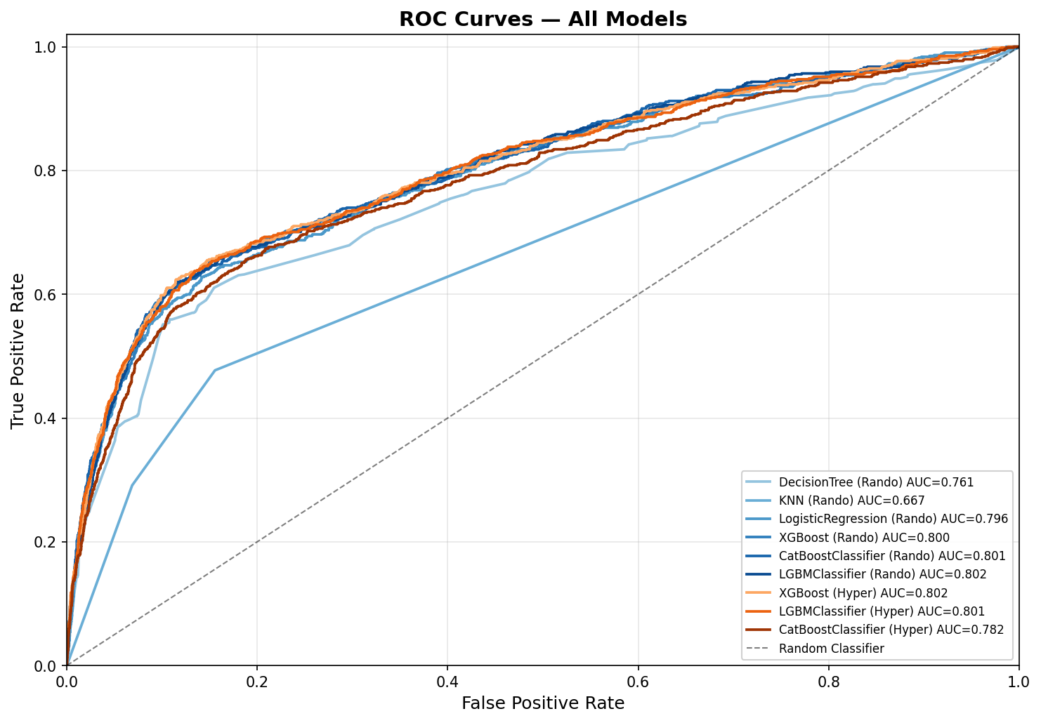
ROC Curves — All Models

